Sheet1
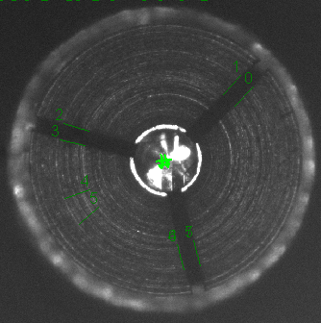
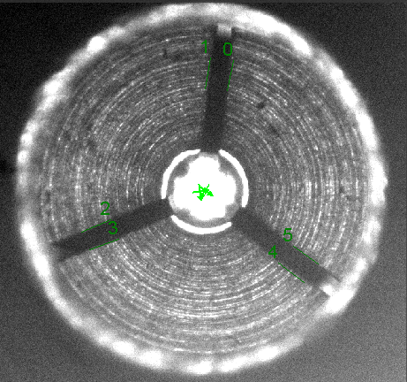
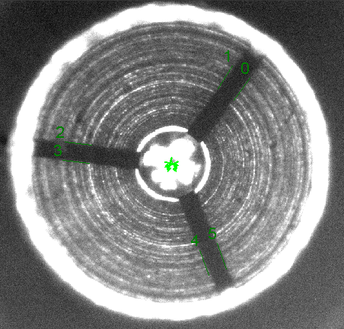
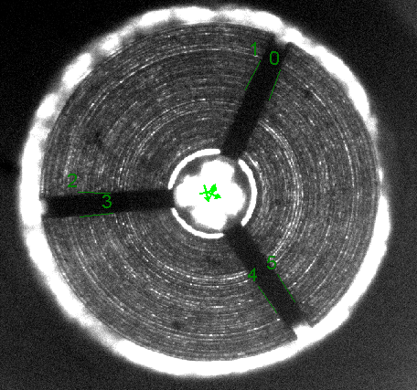
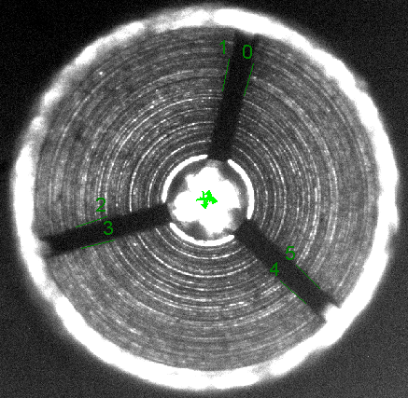

37.05625 | 37.89569 | 37.32715 | 39.52286 | 38.13751 | 41.88165 | 42.31386 | 39.0072 | 40.32867 | 44.96465 | 37.24649 | 40.27869 | 37.64278 | 41.16559 | 39.80292

1 |  |  | 2 |  |  | 3 |  |  | 4 |  |  | 5

